Experiment
Model | Feature Engineering |  | Model Engineering |  |  | Classification Algorithms and Performance
 | Vectorizing Technique | Balance Method | Model Selection | RepeatedK-Fold | Ensembled & Voting | Ada Boost | CatBoost Classifier | Linear SVC | Logistic Regression | MultinomialNB | Random Forest | SGD Classifier | XGBoost Classifier | Selected Model | Model Performance
Mark-I | TF-IDF | No | No | No | No | 66.12% | 86.33% | 96.47% | 94.71% | 90.21% | 93.38% | 95.56% | 94.29% | Logistic Regression | 
Mark-II | TF-IDF | Min | Yes | No | No | 67.86% | 83.42% | 92.77% | 91.15% | 88.90% | 90.15% | 90.90% | 89.41% | LinearSVC | 
 |  | Mean |  |  |  | 58.95% | 82.18% | 90.78% | 90.28% | 86.22% | 88.15% | 89.27% | 88.35% | LinearSVC | 
 |  | Median |  |  |  | 59.07% | 83.14% | 91.77% | 90.10% | 86.88% | 87.79% | 88.81% | 87.52% | LinearSVC | 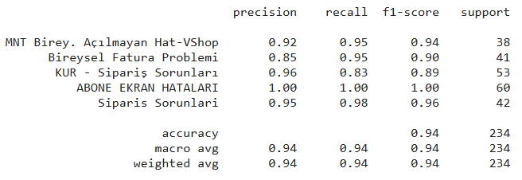
Mark-III | TF-IDF | Min | NO | Yes | Yes | 58.17% | 72.65% | 92.81% | 91.93% | 90.79% | 89.28% | 88.91% | 88.27% | VotingClassfier(SVC,RF,LR)
 |  | Mean |  |  |  | 61.05% | 75.00% | 91.29% | 91.38% | 89.89% | 90.26 | 92.51 | 89.79%
 |  | Median |  |  |  | 59.70% | 72.99% | 92.16% | 91.03% | 88.65% | 88.54% | 90.80% | 90.92%
Mark-IV | TF-IDF | Min | NO | Yes | Yes | 38.88% | 66.69% | 87.98% | 86.29% | 83.77% | 84.93% | 87.24% | 82.50% | VotingClassfier(SVC,RF,LR) | 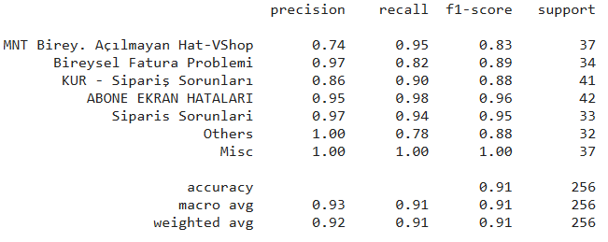
 |  | Mean |  |  |  | 47.61% | 62.72% | 91.43% | 89.93% | 85.51% | 86.14% | 90.64% | 86.22%
 |  | Median |  |  |  | 42.73% | 60.15% | 89.19% | 88.45% | 84.82% | 85.47% | 87.52% | 84.17%

 |  |  | Algorithm | Accuracy
 |  | Neural Networks | BidirectionalLSTM | 93%
 |  |  | BERT | 94%
 |  |  | ELECTRA | 96%
 |  | Statastical ML Models | Ada Boost | 61.05%
 |  |  | CatBoost Classifier | 75.00%
 |  |  | Linear SVC | 91.29%
 |  |  | Logistic Regression | 91.38%
 |  |  | MultinomialNB | 89.89%
 |  |  | Random Forest | 90.26
 |  |  | SGD Classifier | 92.51
 |  |  | XGBoost Classifier | 89.79%

BaseModel
Base Model

Model Name | Accuracy | Details
Logistic Regression | 94% | Model Name
Random Forest | 93% | 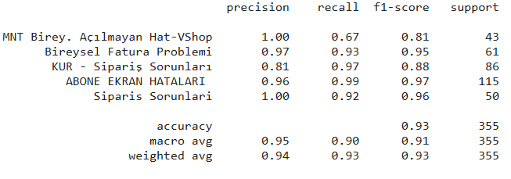
Multinomial NB | 90%
LinearSVC | 95% | 

